Sheet1
 |  | Document No. |  | Issue No. |  | Issue Date |  |  | Review and Replace Date |  | Authorised By
 |  | GFF349MC |  | 2 |  | 15.12.2021 |  |  | 14.03.2022 |  | Magda Shah
 |  | Document Title | Saag Chana Masala with Butternut Squash and Brown Rice 400g
Document amendments reason for change |  | Material code for nuts changed |  |  | Page 1 of 1 |  | Previous Issue Date |  |  | 15.12.2021 | Uncontrolled copy unless signed original

FVSMBSR-R8TMC | MINDFUL CHEF |  | Saag Chana Masala with Butternut Squash and Brown Rice 400g | FROZEN
STEP 1 |  |  |  | STEP 2
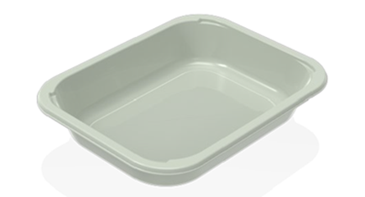 |  |  |  | 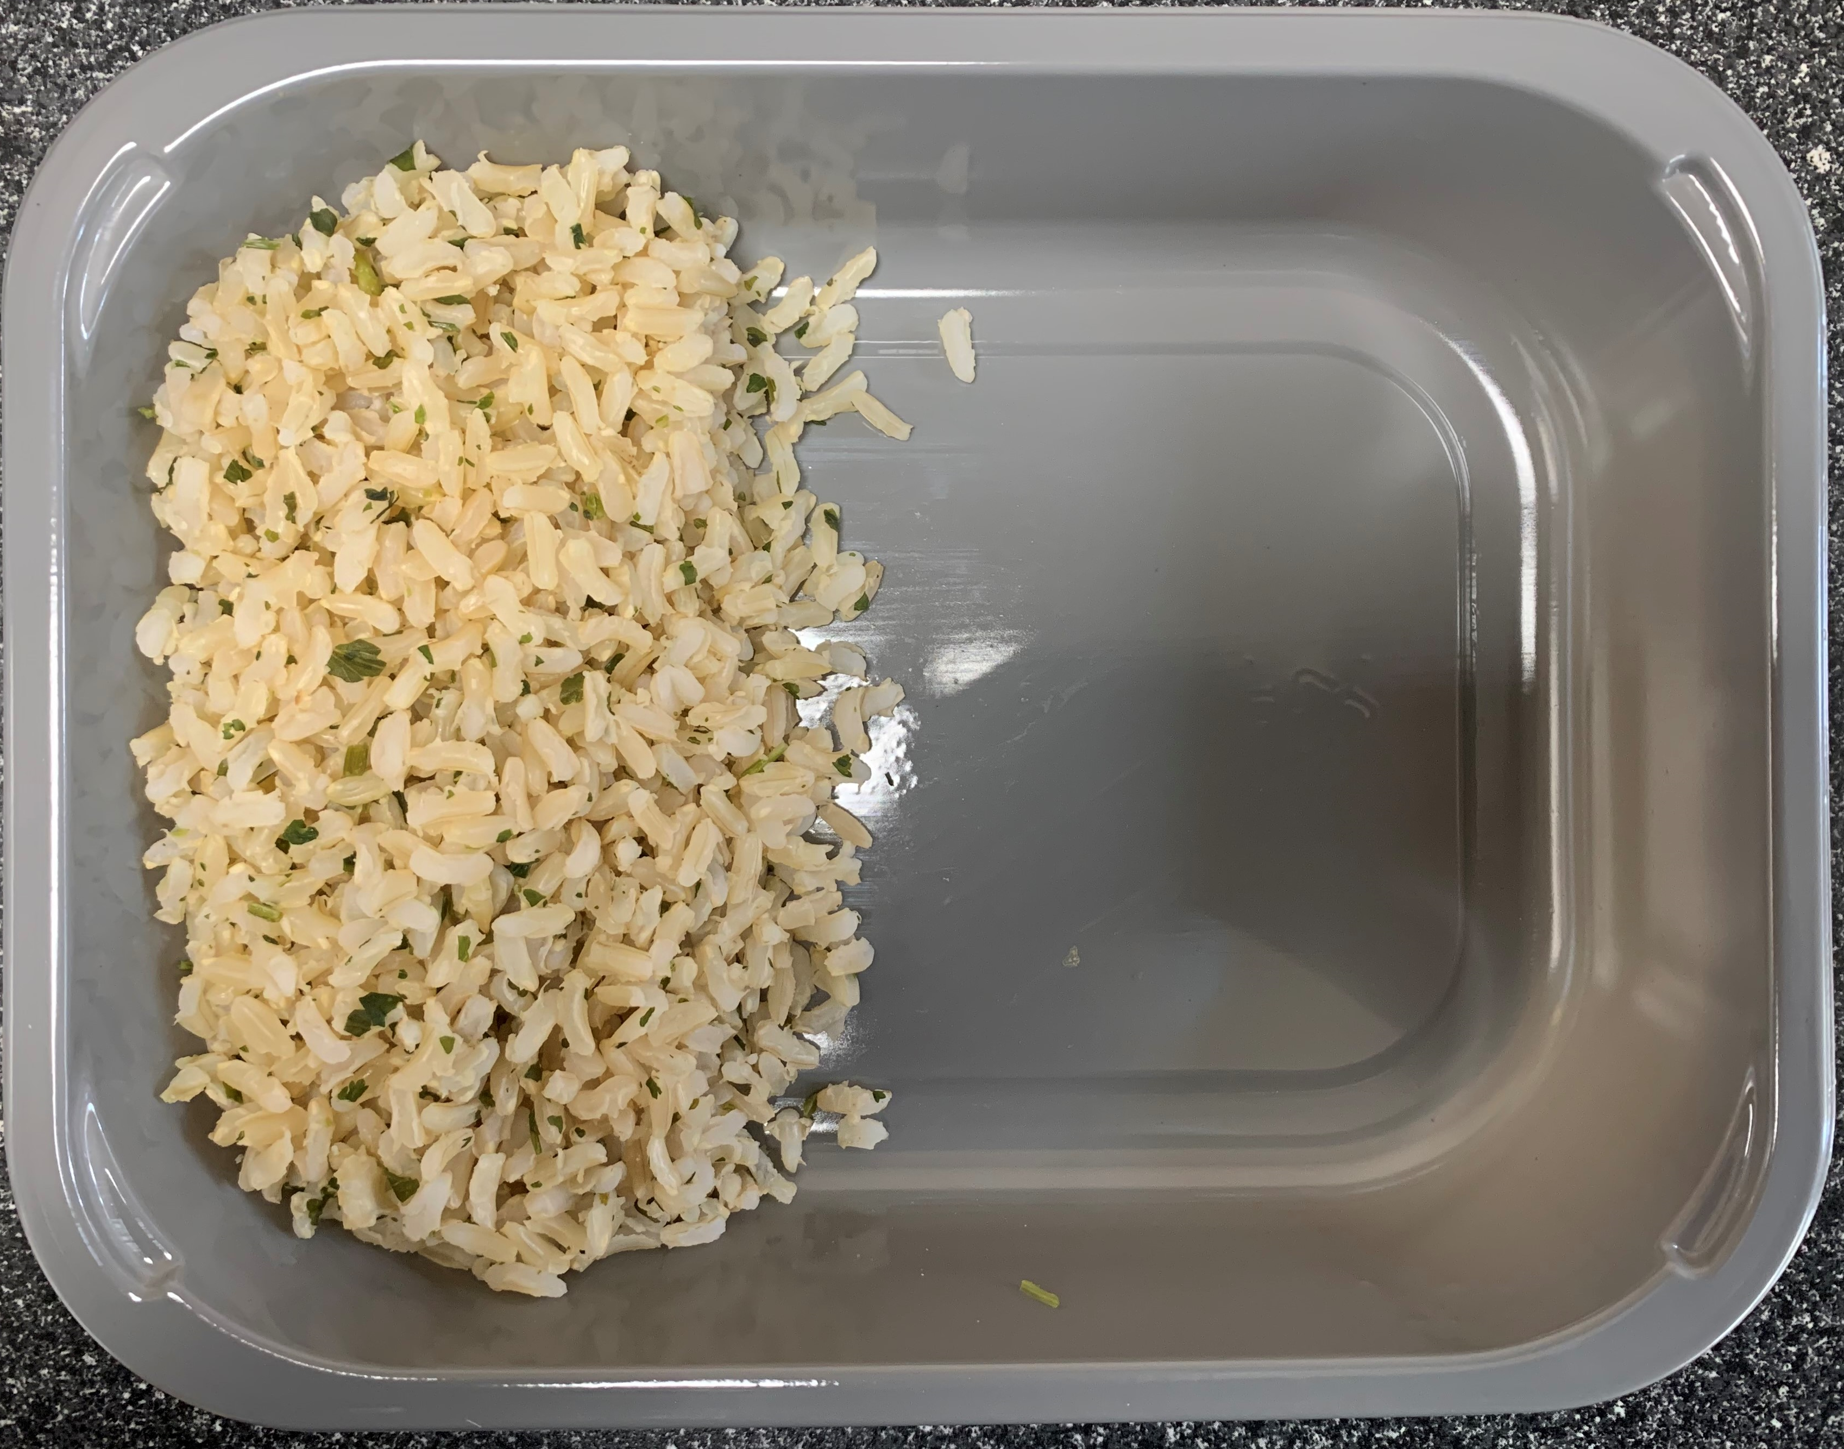

PACK DAY + 1 YEAR
NON-MAP PACK

Tray: EVOLVE CPET 2200-1E FROST(PKRHP001-15) |  |  |  | Brown Rice (GFF255R): 100g

Film:K Peel 3G 25µm (275mmX1000lm)-PKKMP001-04
STEP 3 |  |  |  |  |  |  |  | STEP 4
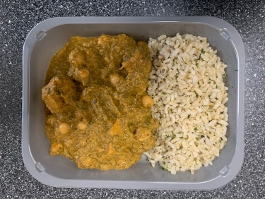 |  |  |  |  |  |  |  | 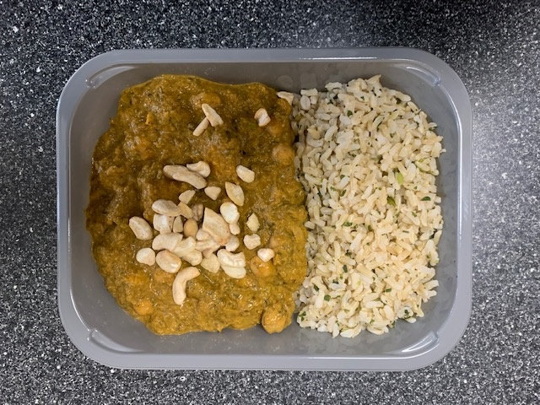

Saag Chana Butternut Sauce (MC) (GFF413R) 295g |  |  |  |  |  |  |  | LP Roasted Cashews (RMKLU001-03) : 5g |  |  |  | TOTAL WEIGHT: 400g

ALLERGY ALERT: MUSTARDS, NUTS

